Board
0.00
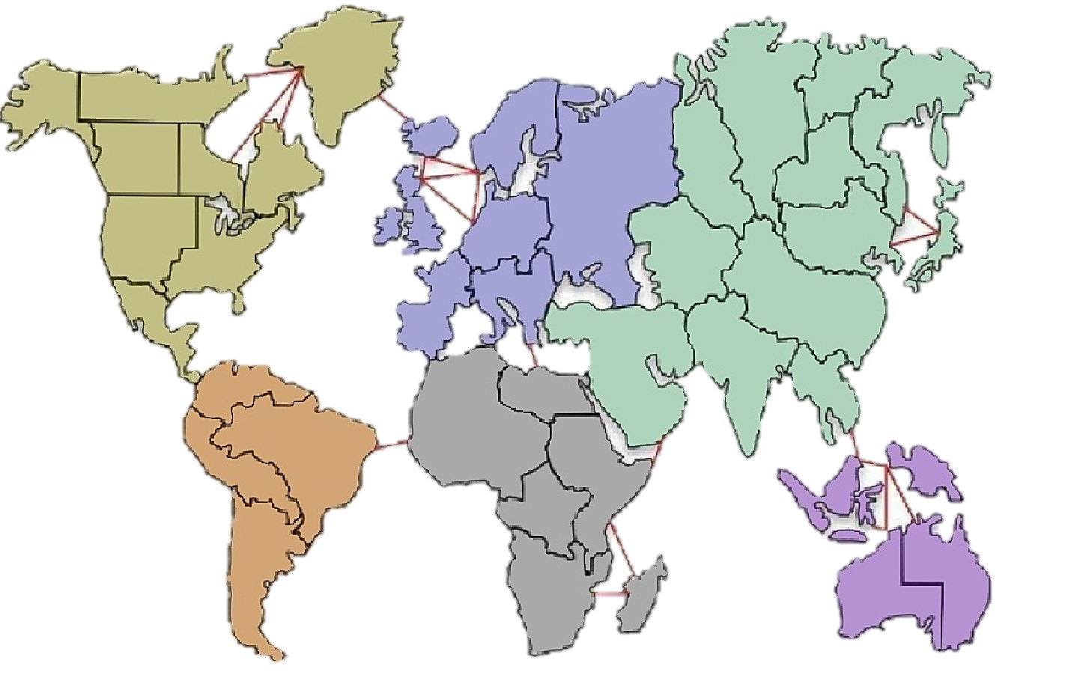
LEGEND
North America
South America
Europe
Africa
Asia
Australia
5
2
5
3
7
2
View Cards
Trade Cards
Place
Attack
Move
Alaska
1
Northwest Territory
1
Greenland
1
Alberta
1
Ontario
1
Quebec
1
Western United States
1
Eastern United States
1
Central America
1
Venezuela
1
Brazil
1
Peru
1
Argentina
1
Iceland
1
Great Britain
1
Scandinavia
1
Ukraine
1
Northern Europe
1
Western Europe
1
Southern Europe
1
North Africa
1
Egypt
1
East Africa
1
Congo
1
Madagascar
1
South Africa
1
Afghanistan
1
Ural
1
Siberia
1
Yakutsk
1
Kamchatka
1
Irkutsk
1
Japan
1
Mongolia
1
China
1
India
1
Siam
1
Indonesia
1
New Guinea
1
Western Australia
1
Eastern Australia
1
Middle East
1
Siam has attacked Indonesia!
Siam lost 2 men!
Indonesia lost 3 men!
Blue now controls Indonesia!
Blue is moving!
It is Aquas turn!
Waiting on everyone to place their units

Sheet1
It is Aqua's turn.
 |  |  |  |  |  |  |  |  |  |  |  |  |  |  |  |  |  |  |  | 2 |  |  |  |  |  |  |  |  |  |  |  | 0 |  |  |  |  |  |  |  |  |  | 1 |  | 4 |  |  |  |  | 1
Shaunnessy |  |  |  |  |  |  | 4

 |  |  |  |  |  |  |  |  |  |  |  |  |  |  |  | Greenland

Trade Cards
 |  |  |  |  |  |  |  |  |  |  |  |  |  |  |  | 1
 |  |  |  |  |  |  |  |  |  |  |  |  |  |  |  |  |  |  |  |  |  |  |  |  |  |  |  |  |  |  |  |  |  |  |  |  |  |  | Yakutsk |  |  |  | Kamchatka
 |  |  |  |  |  |  |  |  |  |  |  |  |  |  |  |  |  |  |  |  |  |  |  |  |  |  |  |  |  |  |  |  |  |  | Siberia
 | Alaska |  |  |  |  |  |  |  |  |  |  |  |  |  |  |  |  |  |  |  |  |  |  |  |  |  |  |  |  |  |  |  |  |  |  |  |  |  |  | 1 |  |  |  | 1
 |  | Northwest Territory |  |  |  |  |  |  |  |  |  |  |  |  |  |  |  |  |  |  |  |  |  |  |  |  |  |  |  |  |  |  |  |  | 1
 | 1
 |  | 1 |  |  |  |  |  |  |  |  |  |  |  |  |  |  |  |  |  |  |  | Scandinavia

Place
 |  |  |  |  |  |  |  |  |  |  |  |  |  |  |  |  |  |  | Iceland |  |  |  | 1
 |  |  |  |  |  |  |  |  |  |  |  |  |  |  |  |  |  |  |  |  |  |  |  |  |  |  |  |  |  |  |  |  | Ural
 |  |  | Alberta |  |  |  |  |  |  |  |  |  |  |  |  |  |  |  | 1 |  |  |  |  |  |  |  |  | Ukraine |  |  |  |  |  |  |  |  | Irkutsk
 |  |  |  |  |  |  |  |  |  |  |  |  |  |  |  |  |  |  |  |  |  |  |  |  |  |  |  |  |  |  |  |  | 1
 |  |  | 1 |  |  |  |  |  | Ontario |  |  |  |  |  |  |  |  |  |  |  |  |  |  |  |  |  |  | 1 |  |  |  |  |  |  |  |  | 1
 |  |  |  |  |  |  |  |  |  |  |  |  |  | Quebec
 |  |  |  |  |  |  |  |  | 1
 |  |  |  |  |  |  |  |  |  |  |  |  |  | 1
 |  |  |  |  |  |  |  |  |  |  |  |  |  |  |  |  |  | Great Britain
 |  |  |  |  |  |  |  |  |  |  |  |  |  |  |  |  |  |  |  |  |  |  |  |  |  |  |  |  |  |  |  |  |  |  |  |  |  |  |  |  |  |  |  |  |  |  |  |  |  | From:
Attack
 |  |  | Western United States |  |  |  |  |  |  |  |  |  |  |  |  |  |  |  |  |  |  | Northern Europe
 |  |  |  |  |  |  |  |  |  |  |  |  |  |  |  |  |  |  |  |  |  |  |  |  |  |  |  |  |  |  |  |  |  |  |  |  |  |  | Mongolia |  |  |  |  |  |  |  |  | Japan
 |  |  |  |  |  |  |  |  |  |  |  |  |  |  |  |  |  |  | 1
 |  |  |  |  |  |  |  |  |  | Eastern |  |  |  |  |  |  |  |  |  |  |  |  |  |  |  |  |  |  |  |  | Afghanistan |  |  |  |  |  |  |  | 1 |  |  |  |  |  |  |  |  | 1 |  | To:
 |  |  | 3 |  | 1 |  |  |  |  |  |  |  |  |  |  |  |  |  |  |  |  | 1
 |  |  |  |  |  |  |  | United States |  |  |  |  |  |  |  |  |  |  |  |  |  |  |  |  |  |  |  |  |  |  | 1

Move
 |  |  |  |  |  |  |  |  | 1 |  |  |  |  |  |  |  |  |  |  |  | Southern Europe

 |  |  |  | Central |  |  |  |  |  |  |  |  |  |  |  |  |  |  |  |  |  |  |  |  |  |  |  |  |  |  |  |  |  |  |  | China

 |  |  |  | America |  |  |  |  |  |  |  |  |  |  |  |  |  | Western Europe |  |  |  |  |  | 1 |  |  |  |  |  |  |  |  |  |  |  | 1

 |  |  |  |  |  | 1 |  |  |  |  |  |  |  |  |  |  |  |  |  |  |  |  |  |  |  |  |  | Middle East
View Cards
 |  |  |  |  |  |  |  |  |  |  |  |  |  |  |  |  |  | 1 |  |  |  |  |  |  |  |  |  | 1 |  |  |  |  |  | India

 |  |  |  |  |  |  |  |  |  |  |  |  |  |  |  |  |  |  |  |  |  |  |  |  |  |  |  |  |  |  |  |  |  | 1

LEGEND
North America
South America
Europe
Africa
Asia
Australia
5
2
5
3
7
2
 |  |  |  |  |  |  |  |  |  |  | Venezuela
 |  |  |  |  |  |  |  |  |  |  |  |  |  |  |  |  |  |  |  |  |  |  |  |  | Egypt |  |  |  |  |  |  |  |  |  |  |  |  | Siam
 |  |  |  |  |  |  |  |  |  |  | 1
 |  |  |  | 5 |  |  |  |  |  |  |  |  |  |  |  |  |  |  |  | North Africa |  |  |  |  | 1 |  |  |  |  |  |  |  |  |  |  |  |  |  | 1
 |  |  |  |  |  |  |  |  |  |  |  |  |  |  |  |  |  |  |  |  |  |  |  |  |  |  |  |  |  |  |  |  |  |  |  |  |  |  |  |  |  |  |  |  |  |  |  |  |  |  |  |  | 0
 |  |  |  |  |  |  |  |  |  |  |  |  |  |  |  |  |  |  |  | 1
 |  |  |  |  |  |  |  |  |  |  |  |  |  |  | Brazil |  |  |  |  |  |  |  |  |  |  |  | East Africa

 |  |  |  | 2 |  |  |  |  |  |  |  |  |  |  | 26 |  |  |  |  |  |  |  |  |  |  |  |  |  |  |  |  |  |  |  |  |  |  |  |  |  |  |  |  |  |  |  |  |  |  |  | 0 | 0
 |  |  |  |  |  |  |  |  |  |  |  |  |  |  |  |  |  |  |  |  |  |  |  |  |  |  |  |  |  |  |  |  |  |  |  |  |  |  |  |  |  |  |  |  | New Guinea
 |  |  |  |  |  |  |  |  |  |  |  |  |  |  |  |  |  |  |  |  |  |  |  |  |  |  | 1
 |  |  |  |  |  |  |  |  |  |  |  |  | Peru |  |  |  |  |  |  |  |  |  |  |  |  |  |  |  |  |  |  |  | 1 |  |  |  |  |  |  |  |  |  |  |  |  |  | 1
 |  |  |  |  |  |  |  |  |  |  |  |  |  |  |  |  |  |  |  |  |  |  |  |  |  |  |  |  |  |  |  |  |  |  |  |  |  | Indonesia |  |  |  |  |  |  |  |  |  |  |  |  |  |  | 0
 |  |  |  | 5 |  |  |  |  |  |  |  |  | 1 |  |  |  |  |  |  |  |  |  |  |  |  |  |  |  |  |  |  |  | 3
 |  |  |  |  |  |  |  |  |  |  |  |  |  |  |  |  |  |  |  |  |  |  |  |  |  |  |  |  |  |  |  |  |  |  |  |  |  |  |  | 1
 |  |  |  |  |  |  |  |  |  |  |  |  |  |  |  |  |  |  |  |  |  |  |  |  | Congo |  |  |  |  |  |  |  | 2
 |  |  |  |  |  |  |  |  |  |  |  |  |  |  |  |  |  |  |  |  |  |  |  |  |  |  |  |  |  |  |  |  |  |  |  |  |  |  |  |  |  |  |  |  |  |  |  |  |  |  | 0 | 0
 |  |  |  |  |  |  |  |  |  |  |  |  |  |  |  |  |  |  |  |  |  |  |  |  | 1
 |  |  |  | 3 |  |  |  |  |  |  |  |  | Argentina

 |  |  |  |  |  |  |  |  |  |  |  |  | 1 |  |  |  |  |  |  |  |  |  |  |  |  |  |  |  |  |  |  |  |  |  |  |  |  |  |  |  |  |  |  |  |  | Eastern

 |  |  |  |  |  |  |  |  |  |  |  |  |  |  |  |  |  |  |  |  |  |  |  |  |  |  |  |  |  |  |  |  |  |  |  |  |  |  |  |  |  |  |  |  |  |  | Australia
 |  |  |  | 7 |  |  |  |  |  |  |  |  |  |  |  |  |  |  |  |  |  |  |  |  |  | South Africa
 |  |  |  |  |  |  |  |  |  |  |  |  |  |  |  |  |  |  |  |  |  |  |  |  |  |  |  |  | Madagascar |  |  |  |  |  |  |  |  |  |  |  |  |  |  |  |  |  |  |  | 1 |  | 0
 |  |  |  |  |  |  |  |  |  |  |  |  |  |  |  |  |  |  |  |  |  |  |  |  |  |  |  |  |  |  |  |  |  |  |  |  |  |  |  |  |  | Western Australia
 |  |  |  |  |  |  |  |  |  |  |  |  |  |  |  |  |  |  |  |  |  |  |  |  |  |  |  |  |  | 1
 |  |  |  |  |  |  |  |  |  |  |  |  |  |  |  |  |  |  |  |  |  |  |  |  |  | 1 |  |  |  |  |  |  |  |  |  |  |  |  |  |  |  | 1
 |  |  |  | 2

0 |  |  | 0 |  |  |  |  |  |  |  |  | 0 |  |  |  |  | 0 |  |  | 0 |  |  |  |  | 0 |  |  |  |  | 0 |  |  |  |  | 0 |  |  |  |  |  | 0

0 |  |  | 0 |  |  |  |  |  |  |  |  | 0 |  |  |  |  | 0 |  |  | 0 |  |  |  |  | 0 |  |  |  |  | 0 |  |  |  |  | 0 |  |  |  |  |  | 0

Player Card Totals: |  |  | 0 |  |  |  |  |  |  |  |  | 0 |  |  |  |  | 0 |  |  | 0 |  |  |  |  | 0 |  |  |  |  | 0 |  |  |  |  | 0 |  |  |  |  |  | 0

Sheet2
1
2
3
4
5
6
7
8

Country1 | 1 | 0 | 0
Country2 | 1 | 0 | 0
Country3 | 1 | 0 | 0
Country4 | 1 | 0 | 0
Country5 | 1 | 0 | 0
Country6 | 1 | 0 | 0
Country7 | 1 | 0 | 0
Country8 | 1 | 0 | 0
Country9 | 1 | 0 | 0
Country10 | 1 | 0 | 0
Country11 | 1 | 0 | 0
Country12 | 1 | 0 | 0
Country13 | 1 | 0 | 0
Country14 | 1 | 0 | 0
Country15 | 1 | 0 | 0
Country16 | 1 | 0 | 0
Country17 | 1 | 0 | 0
Country18 | 1 | 0 | 0
Country19 | 1 | 0 | 0
Country20 | 1 | 0 | 0
Country21 | 1 | 0 | 0
Country22 | 1 | 0 | 0
Country23 | 1 | 0 | 0
Country24 | 1 | 0 | 0
Country25 | 1 | 0 | 0
Country26 | 1 | 0 | 0
Country27 | 1 | 0 | 0
Country28 | 1 | 0 | 0
Country29 | 1 | 0 | 0
Country30 | 1 | 0 | 0
Country31 | 1 | 0 | 0
Country32 | 1 | 0 | 0
Country33 | 1 | 0 | 0
Country34 | 1 | 0 | 0
Country35 | 1 | 0 | 0
Country36 | 1 | 0 | 0
Country37 | 1 | 0 | 0
Country38 | 1 | 0 | 0
Country39 | 1 | 0 | 0
Country40 | 1 | 0 | 0

